5.1
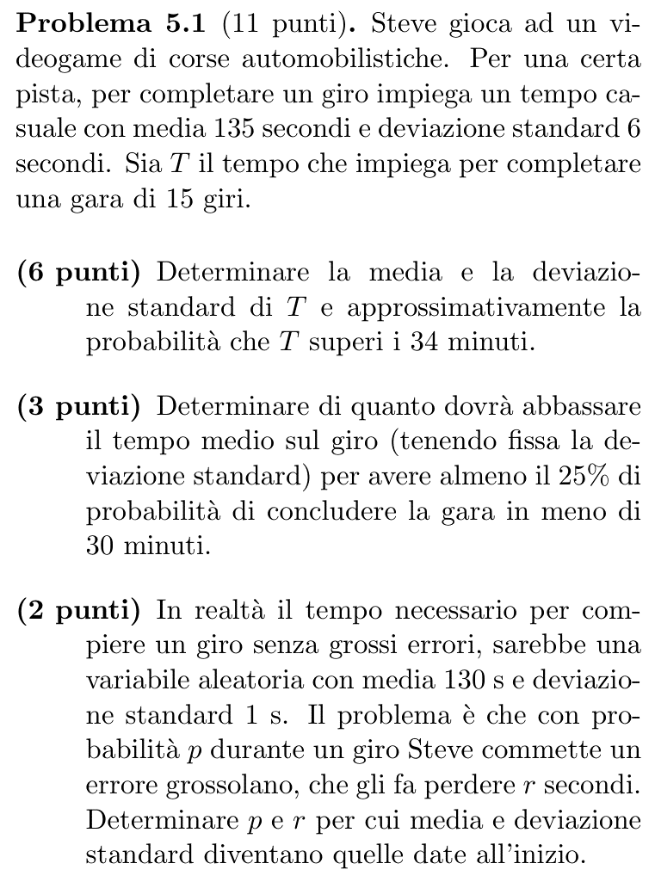
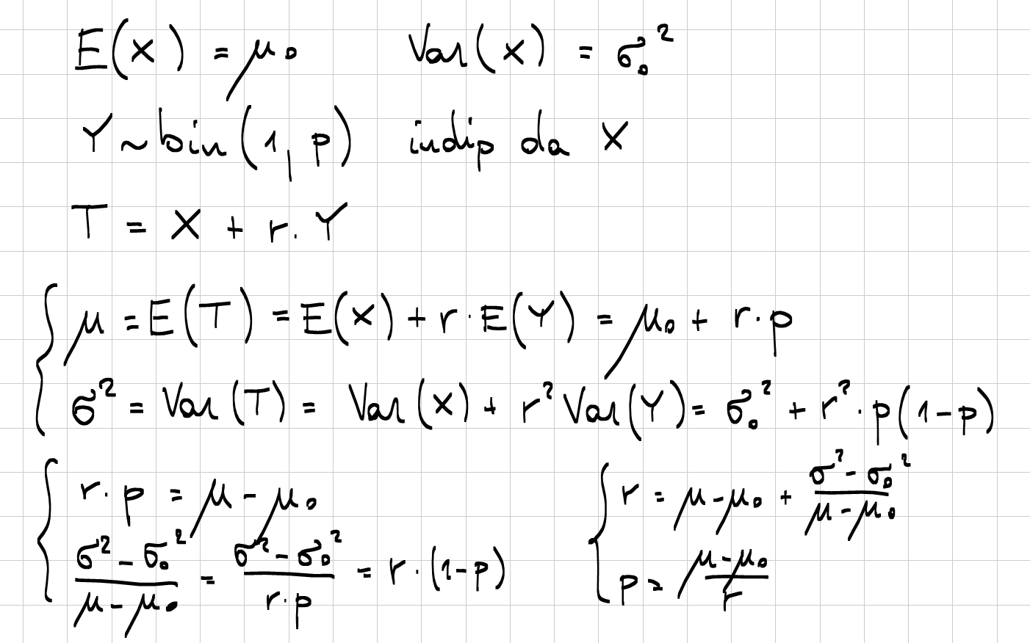
135 | μ | 0:02:15
6 | σ
15 | n

2025 | μT | 0:33:45
23.237900077 | σT
540 | σ²T

34 | k
2040 | k
25.9% | P(T>k)

25% | P(T≤30)
30 | k'
1800 | k'
-0.6744897502 | q
-15.673725418 | r
1815.6737254 | μ'T
121.04491503 | μ'

130 | μ0
1 | σ0
5 | μ-μ0
35 | σ²-σ²0
12 | r
41.7% | p

5.2
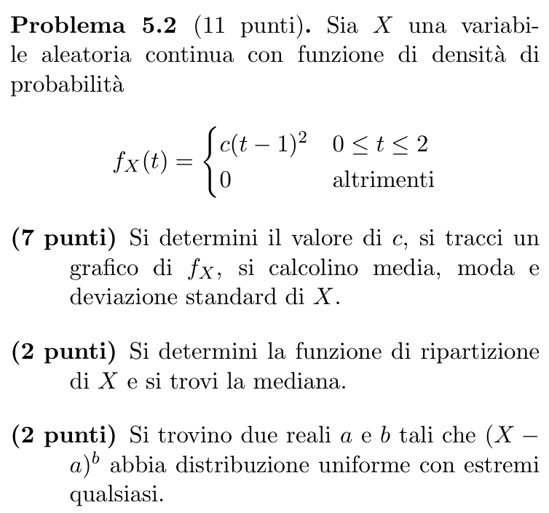
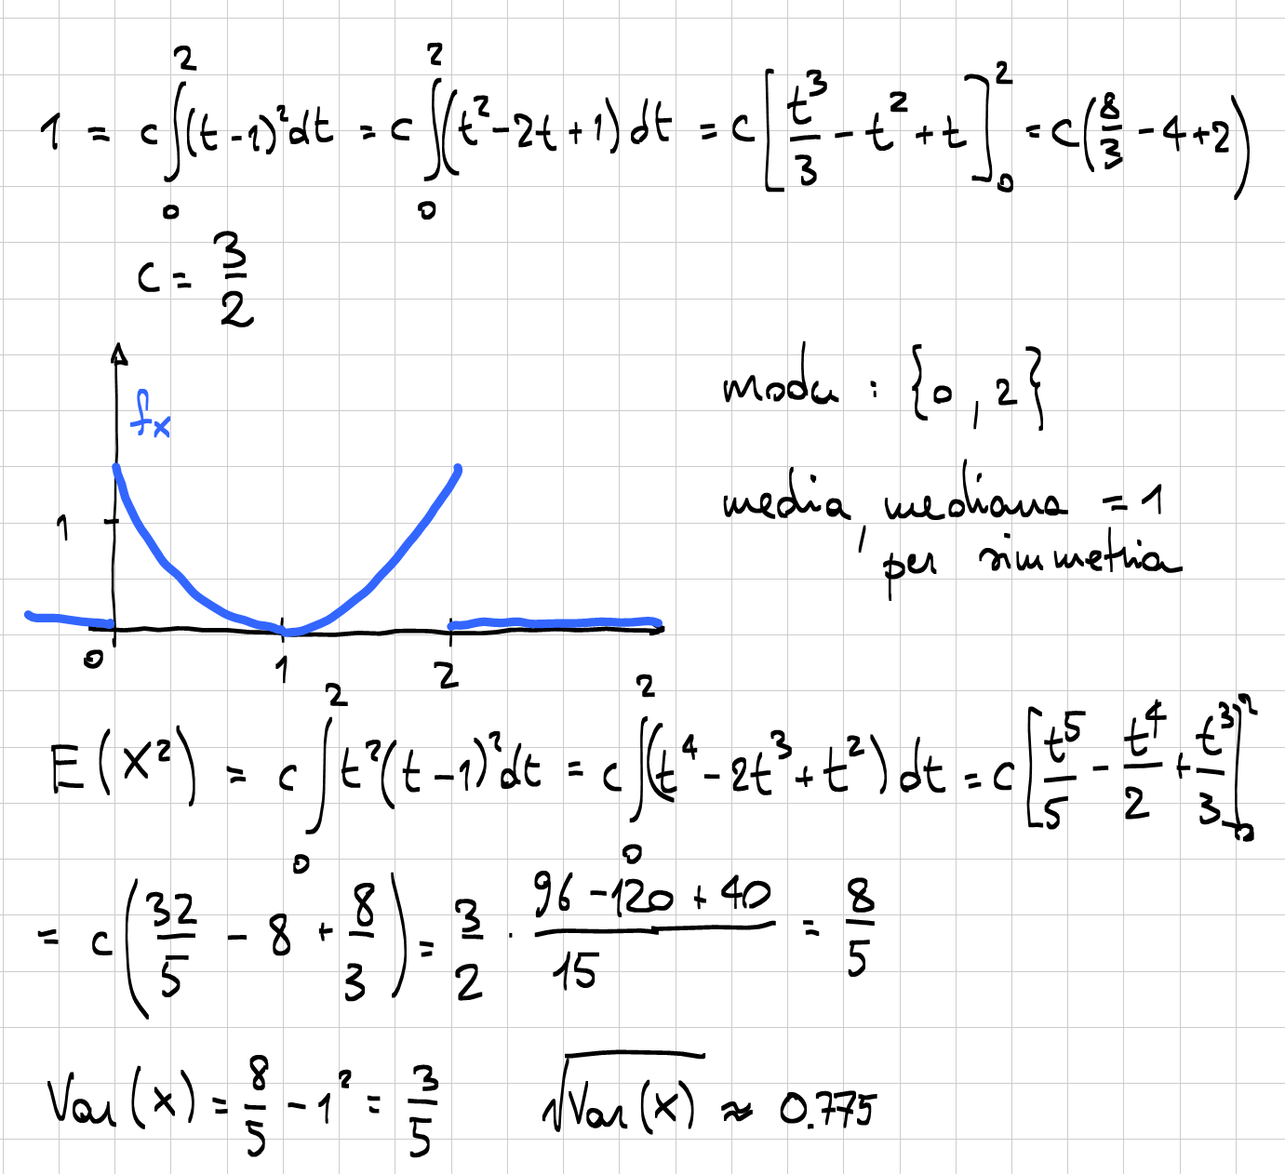

5.3
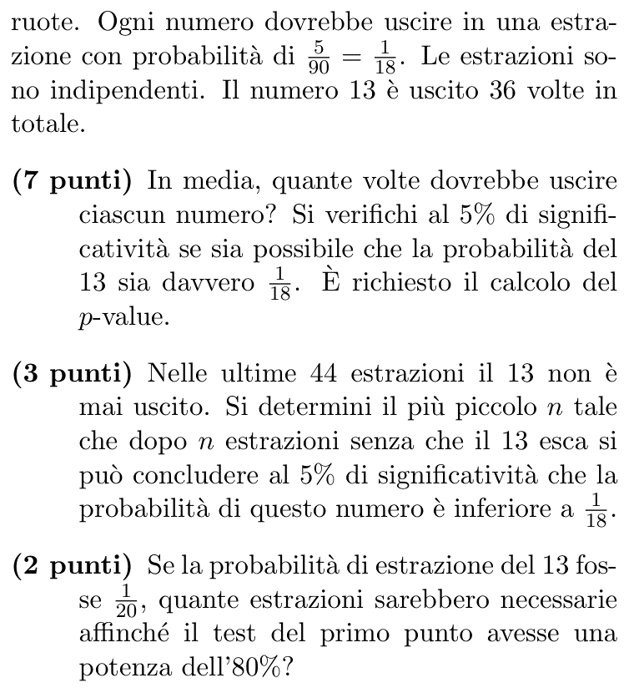
814 | n
0.055555555556 | p0
36 | X
0.044226044226 | p hat

45.222222222 | E[X]
5% | α
-1.4111442969 | z
1.9599639845 | q
15.8% | α*

1.644853627 | q
0 | p hat
6.7819052426 | √n
46 | n

0.05 | p1 |  | 80% | potenza richiesta
10170 | n' | (per tentativi) | 0.84162123357 | a
1.0510058921 | sqrt |  | 2.5703720872 | delta
2.5706394408 | delta |  | 100.83592958 | √n'
4.2993902944 | b |  | 10167.884694 | n'
0.84188858715 | a
20.0% | h(p1)
80.0% | potenza

5.4
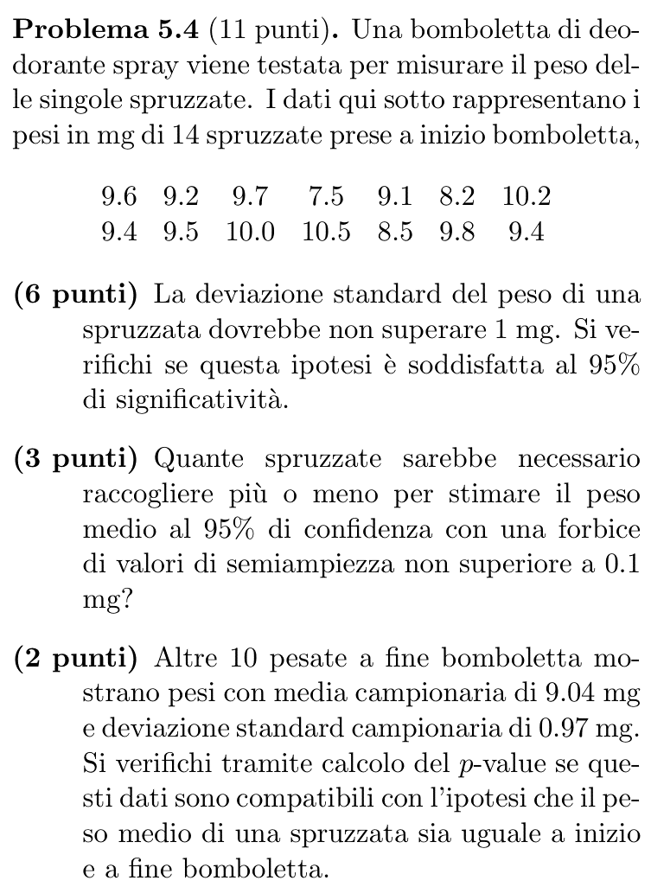
 | 9.6 | 14 | n
 | 9.2 | 13 | gdl
 | 9.7 | 9.3285714286 | X bar
 | 7.5 | 0.80520286161 | Sx
 | 9.1 | 0.64835164835 | Sx²
 | 8.2 | 8.4285714286 | SSx
 | 10.2
 | 9.4
 | 9.5
 | 10
 | 10.5 | 1 | σ0
 | 8.5 | 8.4285714286 | statW
 | 9.8 | 0.81460295004 | α*
 | 9.4 | 5% | α
 |  | 22.362032495 | b

 |  | 95% | conf
 |  | 0.1 | r
 |  | 1.9599639845 | q
 |  | 384.14588207 | n (σ0)
 |  | 249.06161585 | n (Sx)

10 | m | 22 | gdl
9 | gdl | 16.896671429 | SSp
9.04 | Y bar | 0.76803051948 | Sp²
0.97 | Sy | 0.87637350455 | Sp
0.9409 | Sy² | 0.79528444358 | statT
8.4681 | SSy | 43.5% | α*

